CEC 2015 (12-3034)
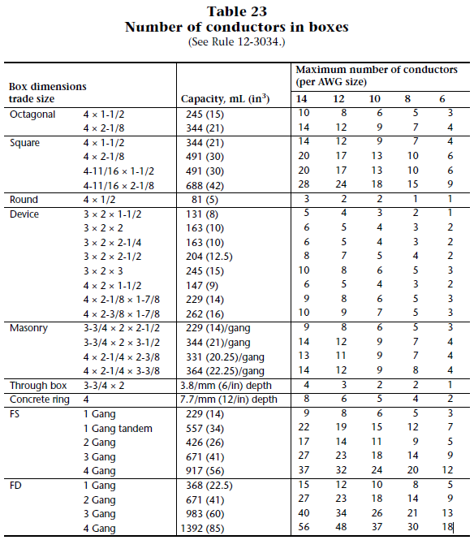
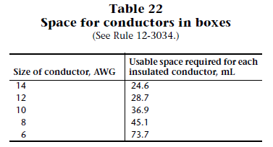
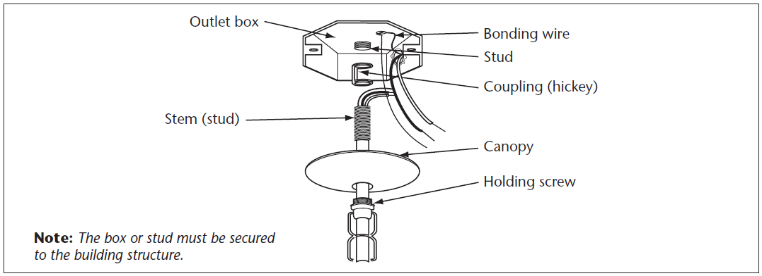
 |  | Iberville BC1018 | Iberville 54171-L | Iberville 52171 | Arlington FB444 | Nutek FWOCT, WOCT | Nutek WRD, FWRD | Nutek WSW, FWSW
Box Fill Calculator - Canadian
 |  | 3in X 2in X 3" single gang wall box | 4 in. Octagonal Box - 2-1/8 in. deep | 4 in. Square Box - 2-1/8 in. deep | Pan / Fan Box | 2-3/4 in. Deep - 3-3/4 in. High - 4 in. Wide | 3 in. Deep - 4-7/8 in. High - 4-7/8 in. Wide | 2.5in X 2.75in X 3.75" single gang wall box
Junction box volume | in3 | 18 | 21 | 30 | 26.6 | 26 | 61 | 18
Junction box volume | cm3 | 295.0 | 344.1 | 491.6 | 435.9 | 426.1 | 999.6 | 295.0
Maximum allowed conductors (by Table 23) | AWG 14 | 10 | 14 | 20 | 20 | - | - | -
GoConex GPC10 / GDT15 depth | cm | 2.90 | 2.90 | 2.90 | 2.90 | 2.90 | 2.90 | 2.90
GoConex Controller volume deduction when depth greater than 2.54 cm | cm3 | 93.6 | 93.6 | 93.6 | 93.6 | 93.6 | 93.6 | 93.6
Remaining box volume when GoConex installed | cm3 | 201 | 251 | 398 | 342 | 332 | 906 | 201
Maximum allowed conductors when GoConex installed (by volume) | AWG 14 | 8 | 10 | 16 | 13 | 13 | 36 | 8
Deduction for light fixture stud/hickey (1 for stud) | AWG 14 | 0 | 1 | 0 | 0 | 1 | 0 | 0
Deduction for wire connectors (0 for 1, 1 for 2&3, 2 for 4&5, ...) | AWG 14 | 1 | 1 | 1 | 1 | 1 | 1 | 1
Deduction for light strap/bracket (2 for flush mounted device inside box) | AWG 14 | 0 | 0 | 0 | 0 | 0 | 0 | 0
Maximum allowed conductors | AWG 14 | 7 | 8 | 15 | 12 | 11 | 35 | 7
Number of neutral wires through the junction box | AWG 14 | 1 | 1 | 1 | 1 | 1 | 1 | 1
Number of hot/phase wires through the junction box | AWG 14 | 1 | 1 | 1 | 1 | 1 | 1 | 1
Number of ground wires in the junction box (bare copper) | AWG 14 | 0 | 0 | 0 | 0 | 0 | 0 | 0
Number of ground wires in the junction box (insulated) | AWG 14 | 0 | 0 | 0 | 0 | 0 | 0 | 0
GoConex Antenna | AWG 22 | 0 | 0 | 0 | 0 | 0 | 0 | 0
Number of load wires through the junction box | AWG 14 | 0 | 0 | 0 | 0 | 0 | 0 | 0
Number of wires to a light fixture | AWG 18 | 0 | 0 | 0 | 0 | 0 | 0 | 0
Number of conductors used | AWG 14 | 2 | 2 | 2 | 2 | 2 | 2 | 2
Number of Remaining conductors | AWG 14 | 5 | 6 | 13 | 10 | 9 | 33 | 5

