Sheet1
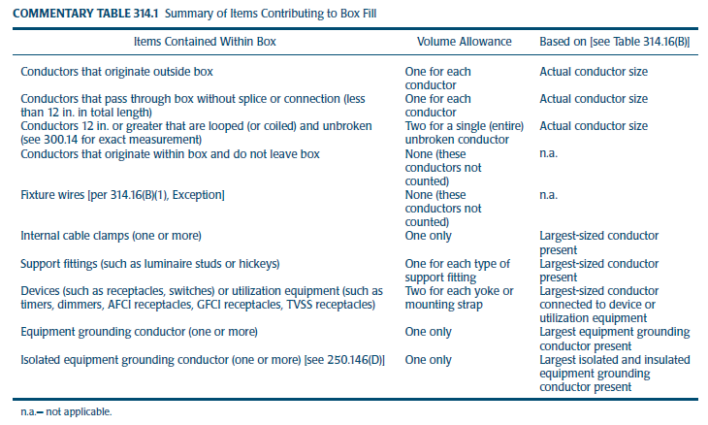
Scenario | Items Contained within box | Quantity | AWG | Volume Allowance Multipler | Unit Volume Based on Table 314.16(B) (in3) | Total Box Fill (in3)
A | Conductors | 6 | 14 AWG | 1 | 2.0 | 12.0
 | Clamps | 0 | 14 AWG | 1 | 2.0 | 0.0
 | Studs | 1 | 14 AWG | 1 | 2.0 | 2.0
 | Devices | 2 | 14 AWG | 2 | 2.0 | 8.0 | http://www.constructionmonkey.com/calculations/electrical/boxfill
 | Equipment grounding conductors (all) | 1 | 14 AWG | 1 | 2.0 | 2.0
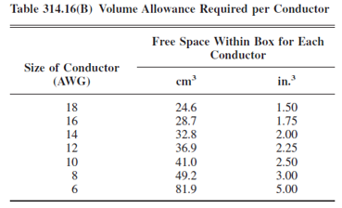
 | Total |  |  |  |  | 24.0
B | Conductors | 4 | 14 AWG | 1 | 2.0 | 8.0
 | Clamps | 1 | 14 AWG | 1 | 2.0 | 2.0
 | Studs | 1 | 14 AWG | 1 | 2.0 | 2.0
 | Devices | 1 | 14 AWG | 2 | 2.0 | 4.0
 | Equipment grounding conductors (all) | 1 | 14 AWG | 1 | 2.0 | 2.0
 | Total |  |  |  |  | 18.0
C | Conductors | 2 | 14 AWG | 1 | 2.0 | 4.0
 | Clamps | 1 | 14 AWG | 1 | 2.0 | 2.0
 | Studs | 0 | 14 AWG | 1 | 2.0 | 0.0
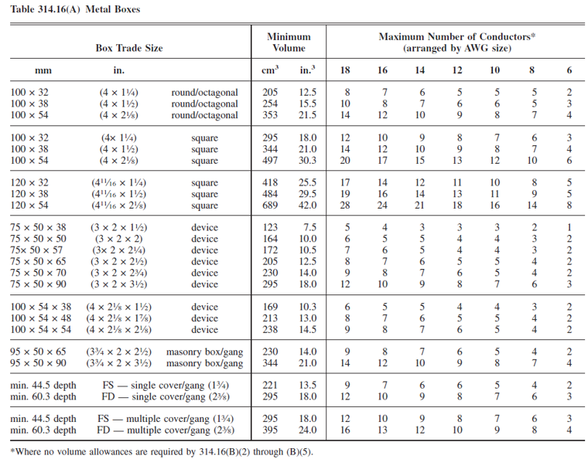
 | Devices | 1 | 14 AWG | 2 | 2.0 | 4.0
 | Equipment grounding conductors (all) | 1 | 14 AWG | 1 | 2.0 | 2.0
 | Total |  |  |  |  | 12.0
D | Conductors | 4 | 14 AWG | 1 | 2.0 | 8.0
 | Clamps | 1 | 14 AWG | 1 | 2.0 | 2.0
 | Studs | 0 | 14 AWG | 1 | 2.0 | 0.0
 | Devices | 1 | 14 AWG | 2 | 2.0 | 4.0
 | Equipment grounding conductors (all) | 1 | 14 AWG | 1 | 2.0 | 2.0
 | Total |  |  |  |  | 16.0

